BUG#1
Category | Label
Bug ID | ID Number | 00001 | 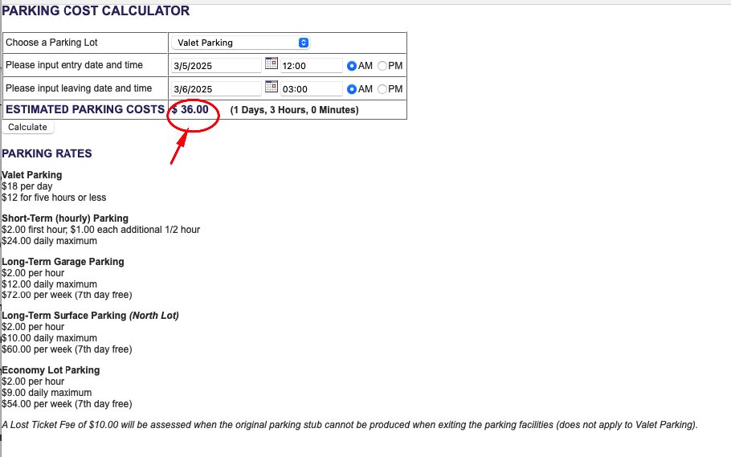
 | Summary | Estimated parking cost is not calculated incorrectly after selecting "Valet Parking" for a duration of 1 day and 3 hours.
 | Reporter | Emine MERİÇ SİVAS
 | Submit date | 2025-03-13
Data | URL | https://www.shino.de/parkcalc/
 | Screenshot | A screenshot of the bug is provided, with the issue clearly highlighted using a red circle as shown on the side.
Platform | Operating System | MacOS 15.3.1
 | Browser | Safari 18.3
Bug Details | Steps to reproduce | 1-Go to https://www.shino.de/parkcalc/ 2-Choose Parking lot as "Valet Parking" 3-Select the input and leaving date 3/5/2025-3/6/2025 and time from 12:00 AM to 03:00 AM 4-Observe the "Parking Cost"for 1 day and 3 hours
 | Expected result | When ‘Valet Parking' selected, if the input duration is 1 day and 3 hours, the estimated parking cost is visible as $30.00.
 | Actual result | When ‘Valet Parking’ selected, with input duration is 1 day or more with additional 3 hours, the estimated parking cost is calculated as $36.00.
Tracking | Severity | Critical
 | Priority | High
 | Reproducibility | Always
Notes | Notes

Severity Options | Priority Options
Critical | High
Major | Medium
Minor | Low
Low

BUG#2
Category | Label
Bug ID | ID Number | 00002 | 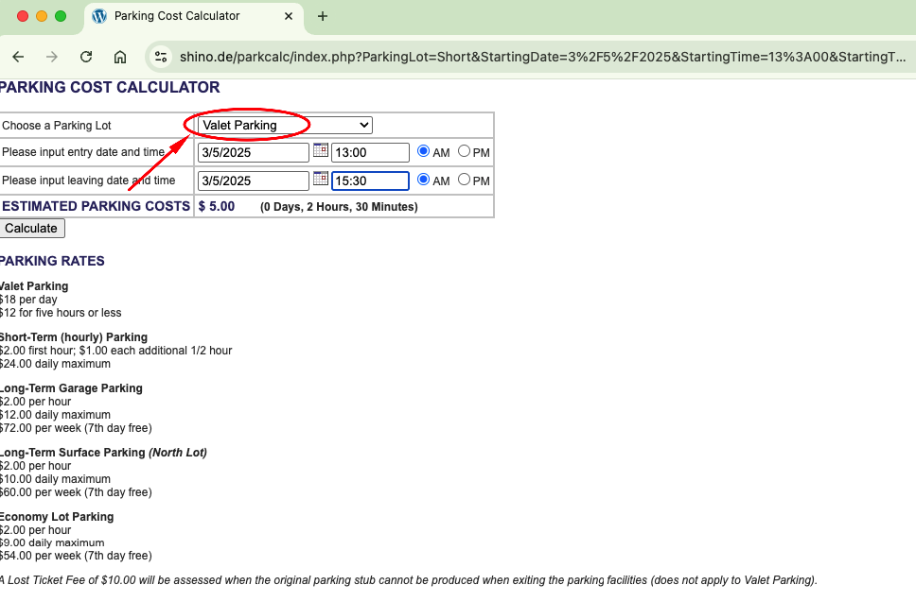
 | Summary | The selected parking lot, such as "Short Term Parking", resets to the default Valet Parking after clicking ‘Calculate’
 | Reporter | Emine MERİÇ SİVAS
 | Submit date | 2025-03-13
Data | URL | https://www.shino.de/parkcalc/
 | Screenshot | A screenshot of the bug is provided, with the issue clearly highlighted using a red circle as shown on the side.
Platform | Operating System | MacOS 15.3.1
 | Browser | Google Chrome version: 134.0.6998.89
Bug Details | Steps to reproduce | 1-Go to https://www.shino.de/parkcalc/ 2-Choose Parking lot as "Short-term(hourly) Parking" 3-Select the entry and leaving date 3/5/2025-3/5/2025 and time from 13:00 AM to 15:30 AM 4-Click on the calculate button and observe the "Choose a Parking Lot" section
 | Expected result | After choosing parameters such as ‘Choose a Parking Lot,’ ‘Input Entry Date,’ and ‘Input Leaving Date,’ the selection should remain on the chosen parking lot instead of defaulting back to ‘Valet Parking.
 | Actual result | After choosing parameters such as ‘Choose a Parking Lot,’ ‘Input Entry Date,’ and ‘Input Leaving Date,’ the selection turns to "Valet Parking" after clicking "Calculate" button.
Tracking | Severity | Low
 | Priority | Low
 | Reproducibility | Always
Notes | Notes

Severity Options | Priority Options
Critical | High
Major | Medium
Minor | Low
Low

BUG#3
Category | Label
Bug ID | ID Number | 00003 | 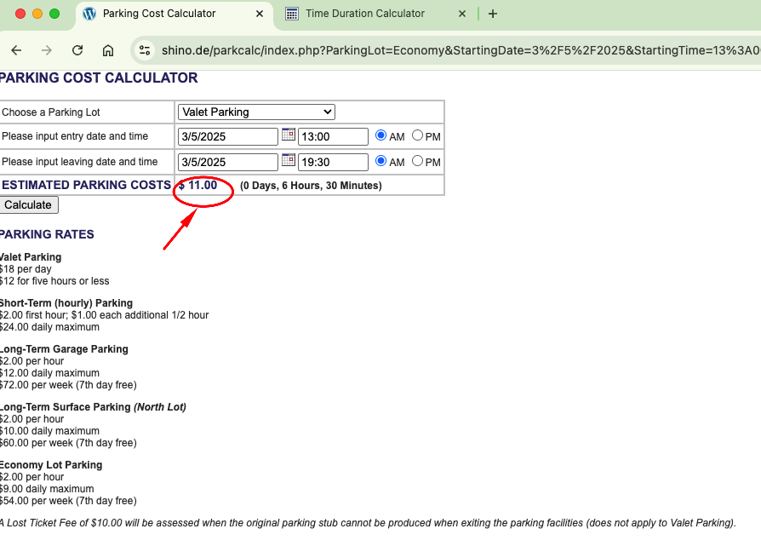
 | Title | Estimated parking cost calculated incorrectly for the "Economy Lot Parking" after choosing 6 hours and 30 minutes duration.
 | Reporter | Emine MERİÇ SİVAS
 | Submit date | 2025-03-13
Data | URL | https://www.shino.de/parkcalc/
 | Screenshot | A screenshot of the bug is provided, with the issue clearly highlighted using a red circle as shown on the side.
Platform | Operating System | MacOS 15.3.1
 | Browser | Google Chrome version: 134.0.6998.89
Bug Details | Steps to reproduce | 1-Go to https://www.shino.de/parkcalc/ 2-Choose Parking lot as "Economy Lot parking" 3-Select the input and leaving date 3/5/2025-3/5/2025 and time from 13:00 AM to 19:30 AM 4-Click on the calculate button and observe the "Estimated Parking Costs"
 | Expected result | Estimated parking cost should be calculated as $9 because of the daily maximum price for the 6 hours and 30 minutes duration.
 | Actual result | Estimated parking cost calculated as $11 incorrectly for the "Economy Lot Parking" after choosing 6 hours and 30 minutes duration.
Tracking | Severity | Critical
 | Priority | High
 | Reproducibility | Always
Notes | Notes

Severity Options | Priority Options
Critical | High
Major | Medium
Minor | Low
Low

BUG#4
Category | Label
Bug ID | ID Number | 00004 | 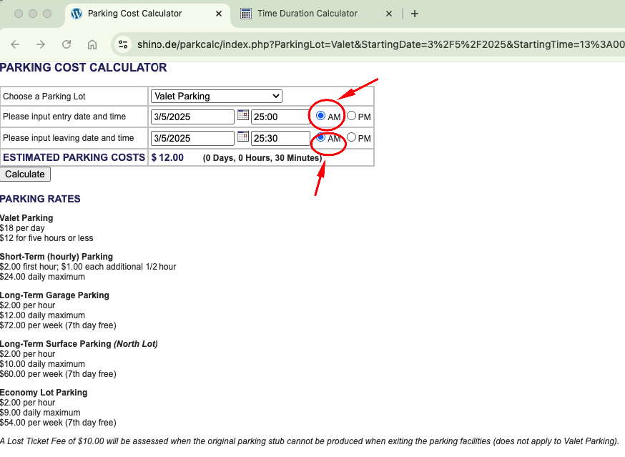
 | Title | Whenever the PM format is selected, the system reverts back to the AM format.
 | Reporter | Emine MERİÇ SİVAS
 | Submit date | 2025-03-13
Data | URL | https://www.shino.de/parkcalc/
 | Screenshot | A screenshot of the bug is provided, with the issue clearly highlighted using a red circle as shown on the side.
Platform | Operating System | MacOS 15.3.1
 | Browser | Google Chrome version:134.0.6998.89
Bug Details | Steps to reproduce | 1-Go to https://www.shino.de/parkcalc/ 2-Choose any parking lot 3-Choose any entry and leaving date ` 4-Choose time format as PM 5-Click on the calculate button and observe the returned format
 | Expected result | After choosing parameters and selecting the format as "PM" it should be stay on the PM but it returnes the AM format defaultly.
 | Actual result | Whenever the PM format is selected, the system reverts back to the AM format after selecting the paramaters.
Tracking | Severity | Low
 | Priority | Low
 | Reproducibility | Always
Notes | Notes

Severity Options | Priority Options
Critical | High
Major | Medium
Minor | Low
Low

BUG#5
Category | Label
Bug ID | ID Number | 00005 | 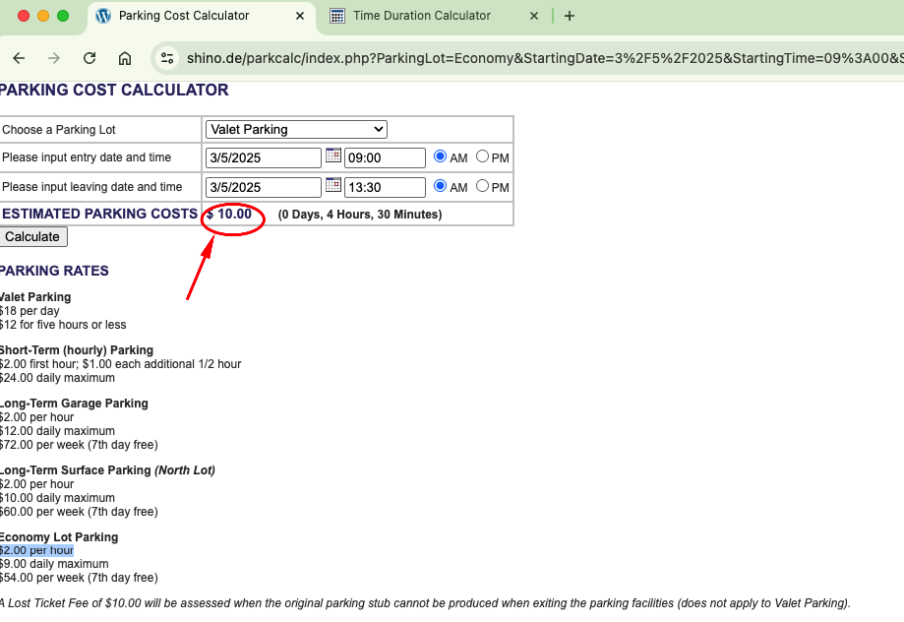
 | Title | Estimated parking cost calculated incorrectly for the "Economy Lot Parking" after choosing 4 hours and 30 minutes duration.
 | Reporter | Emine MERİÇ SİVAS
 | Submit date | 2025-03-13
Data | URL | https://www.shino.de/parkcalc/
 | Screenshot | A screenshot of the bug is provided, with the issue clearly highlighted using a red circle as shown on the side.
Platform | Operating System | MacOS 15.3.1
 | Browser | Google Chrome version: 134.0.6998.89
Bug Details | Steps to reproduce | 1-Go to https://www.shino.de/parkcalc/ 2-Choose Parking lot as "Economy Lot parking" 3-Select the input entry and leaving date 3/5/2025-3/5/2025 and time from 09:00 AM to 13:30 AM accordingly. 4-Click on the calculate button and observe the "Estimated Parking Costs""
 | Expected result | Estimated parking cost should be calculated as $9 because of the daily maximum price for the 4 hours and 30 minutes duration.
 | Actual result | Estimated parking cost calculated as $10 incorrectly for the "Economy Lot Parking" after choosing 4 hours and 30 minutes duration.
Tracking | Severity | Critical
 | Priority | High
 | Reproducibility | Always
Notes | Notes

Severity Options | Priority Options
Critical | High
Major | Medium
Minor | Low
Low

BUG#6
Category | Label
Bug ID | ID Number | 00006 | 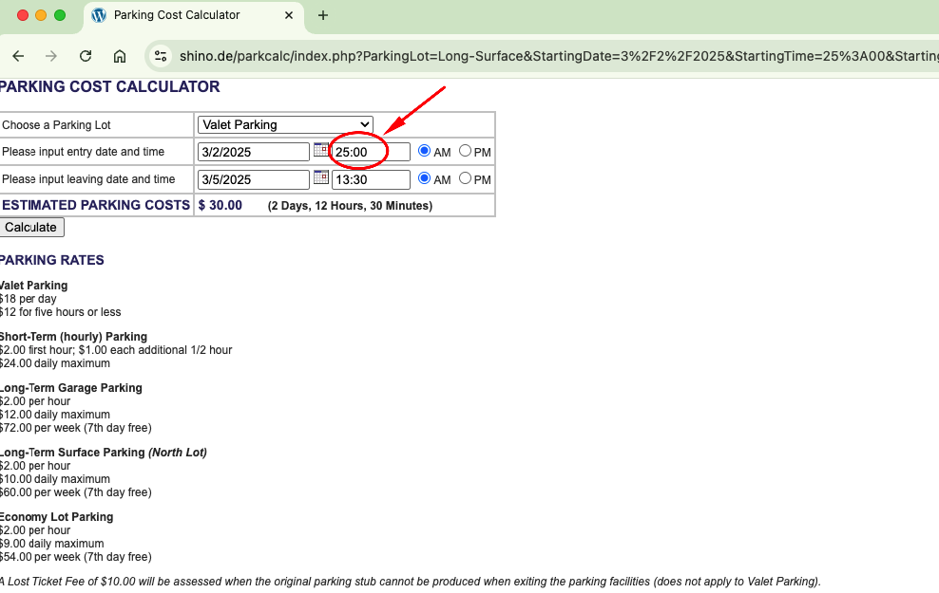
 | Title | The system accepts a time format greater than 24 hours
 | Reporter | Emine MERİÇ SİVAS
 | Submit date | 2025-03-21
Data | URL | https://www.shino.de/parkcalc/
 | Screenshot | A screenshot of the bug is provided, with the issue clearly highlighted using a red circle as shown on the side.
Platform | Operating System | MacOS 15.3.1
 | Browser | Google Chrome version: 134.0.6998.89
Bug Details | Steps to reproduce | 1-Go to https://www.shino.de/parkcalc/ 2-Choose Parking lot as anything from the list 3-Select the input and leaving date 3/2/2025-3/5/2025 and time from 25:00 AM to 13:30 AM accordingly.
 | Expected result | The time format should be within the 0-23 hour range, but there is no such restriction in the system.
 | Actual result | The system accepts a time format greater than 24 hours and calculated the estimated total cost according to it.
Tracking | Severity | Low
 | Priority | Low
 | Reproducibility | Always
Notes | Notes

Severity Options | Priority Options
Critical | High
Major | Medium
Minor | Low
Low

